Sheet1
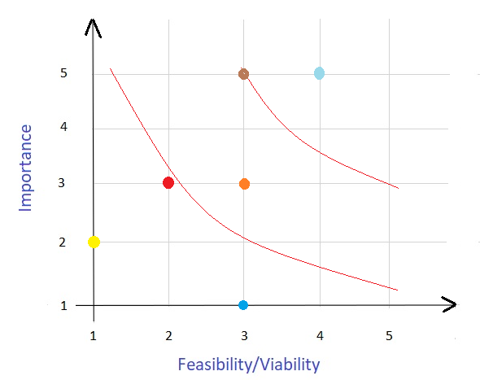
Online Vyapar App

Problem/Opportunity | Importance | Feasibility
Increase the number of the product variety | 3 | 2
Increase billing instances per purchase | 3 | 2
Increase the unique suppliers | 2 | 1
Increase the inventory | 3 | 2
Create extremely well UI for User/Supplier | 3 | 2
Provide shipement tracking feature/function | 5 | 3
Increase number of product description | 3 | 3
Increase number of product titles | 1 | 3
Increase number of product Images and videos | 5 | 4
Increase purchase per visit | 5 | 4

Formula :- middle score * number of opportunities = points available
Answer :- 3 * 10 = 30

